TEST 2
TEST 2
DATA ENTRY |  | Jawaban

TUGAS : | JUMLAH BERSIH ADALAH JUMLAH YANG TERJUAL DIMANA JUMLAH TOTAL PENGELUARAN - WASTE
Tuliskan seluruh kolom 'NAMA ITEM' dan juga kolom 'JUMLAH' dari gambar di bawah ini :
 | NO | NAMA ITEM | JUMLAH | WASTE | JUMLAH BERSIH
 | 1 | Tokyo Cheesecake Berry | 20 | 4 | 16
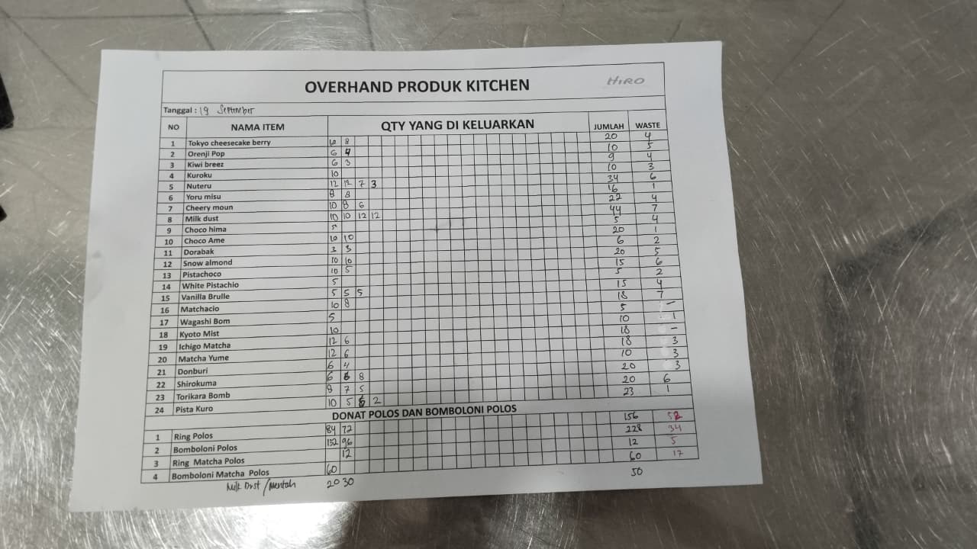
 | 2 | Orenji Pop | 10 | 5 | 5
 | 3 | Kiwi Breez | 9 | 4 | 5
 | 4 | Kuroku | 10 | 3 | 7
 | 5 | Nuteru | 34 | 6 | 28
 | 6 | Yoru Mitsu | 16 | 1 | 15
 | 7 | Cherry Moon | 22 | 4 | 18
 | 8 | Milk Dust | 44 | 7 | 37
 | 9 | Choco Hima | 5 | 4 | 1
 | 10 | Choco Ame | 20 | 1 | 19
 | 11 | Dorayaki | 6 | 2 | 4
 | 12 | Snow Almond | 20 | 5 | 15
 | 13 | Pistachoco | 15 | 6 | 9
 | 14 | White Pistachio | 5 | 2 | 3
 | 15 | Vanilla Brulee | 15 | 4 | 11
 | 16 | Matchako | 18 | 7 | 11
 | 17 | Wagashi Bom | 5 | 0 | 5
 | 18 | Kyoto Mist | 10 | 1 | 9
 | 19 | Ichigo Matcha | 18 | 0 | 18
 | 20 | Matcha Yume | 18 | 3 | 15
 | 21 | Donburi | 10 | 3 | 7
 | 22 | Shirokuma | 20 | 3 | 17
 | 23 | Torikara Bomb | 20 | 6 | 14
 | 24 | Pista Kuro | 23 | 1 | 22

 | DONAT POLOS DAN BOMBOLONI POLOS

 | NO | NAMA ITEM | JUMLAH | WASTE | TOTAL BERSIH
 | 1 | Ring Polos | 156 | 18 | 138
 | 2 | Bomboloni Polos | 228 | 34 | 194
 | 3 | Ring Matcha Polos | 12 | 5 | 7
 | 4 | Bomboloni Matcha Polos | 60 | 17 | 43

